REPAK Summary
Stonehouse REPAK H1/H2, 2024 values
Summary | H1 (€) | H2 (€) | Full year
Recycled Paper/Cardboard | € 2,244.56 | € 2,786.10 | € 5,030.66
Recycled Flexible Plastic | € 1,494.01 | € 1,886.44 | € 3,380.45
Non-Recycled Plastic | € 1,295.83 | € - | € 1,295.83
Recycled Steel (Non-DRS) | € 884.34 | € 1,078.73 | € 1,963.07
Plastic Non-Beverage Bottles | € 101.41 | € 606.61 | € 708.02
Recycled Rigid Plastic | € 81.67 | € 80.25 | € 161.92
Recycled Wood | € 65.66 | € 31.29 | € 96.95
Plastic Participation | € 0.25 | € 0.26 | € 0.51
Recycled Composite | € - | € 170.15 | € 170.15
Aluminium element | € - | € - | € -
Paper/Cardboard element | € - | € - | € -
Plastic Bottles Participation | € - | € - | € -
Plastic element | € - | € - | € -

Stonehouse REPAK Full year 2024 values (€)
Summary | Full year | % of whole | By 2030
Recycled Paper/Cardboard | € 5,030.66 | 39.279% | € 754.60
Recycled Flexible Plastic | € 3,380.45 | 26.394% | € 1,521.20
Recycled Steel (Non-DRS) | € 1,963.07 | 15.327% | € 392.61
Non-Recycled Plastic | € 1,295.83 | 10.118% | € 583.12
Plastic Non-Beverage Bottles | € 708.02 | 5.528% | € 318.61
Recycled Composite | € 170.15 | 1.329%
Recycled Rigid Plastic | € 161.92 | 1.264% | € 72.86
Recycled Wood | € 96.95 | 0.757% | € 14.54
Plastic Participation | € 0.51 | 0.004% | € 0.23
Aluminium element | € - | 0.000% | € -
Paper/Cardboard element | € - | 0.000% | € -
Plastic Bottles Participation | € - | 0.000% | € -
Plastic element | € - | 0.000% | € -
Total | € 12,807.56

Stonehouse REPAK Full year 2024 values (%)
Plastic | € 5,546.73
Plastic % value | 43%

Paper | 0.85
Plastic | 0.55
Glass | 0.9
Metals | 0.8
Wood | 0.85

REPAK Targets for 2030
Paper | 85%
Plastic | 55%
Glass | 90%
Metals | 80%
Wood | 85%

Reductions in line with REPAK 2030 targets (against 2024 baseline)
 | Full year | By 2030
Recycled Paper/Cardboard | € 5,030.66 | € 754.60
Recycled Flexible Plastic | € 3,380.45 | € 1,521.20
Recycled Steel (Non-DRS) | € 1,963.07 | € 392.61
Non-Recycled Plastic | € 1,295.83 | € 583.12
Plastic Non-Beverage Bottles | € 708.02 | € 318.61
Recycled Composite | € 170.15
Recycled Rigid Plastic | € 161.92 | € 72.86
Recycled Wood | € 96.95 | € 14.54
Plastic Participation | € 0.51 | € 0.23
Aluminium element | € - | € -
Paper/Cardboard element | € - | € -
Plastic Bottles Participation | € - | € -
Plastic element | € - | € -
Summary | Full year | By 2030
Recycled Paper/Cardboard | € 5,030.66 | € 754.60
Recycled Flexible Plastic | € 3,380.45 | € 1,521.20
Recycled Steel (Non-DRS) | € 1,963.07 | € 392.61
Non-Recycled Plastic | € 1,295.83 | € 583.12
Plastic Non-Beverage Bottles | € 708.02 | € 318.61
Recycled Composite | € 170.15
Recycled Rigid Plastic | € 161.92 | € 72.86
Recycled Wood | € 96.95 | € 14.54
Plastic Participation | € 0.51 | € 0.23
Aluminium element | € - | € -
Paper/Cardboard element | € - | € -
Plastic Bottles Participation | € - | € -
Plastic element | € - | € -

Summary
Product/SKU split across brands
 | Unique | SKU
Homestead | 34 | 105
White Hat | 46 | 126

WH Single Product
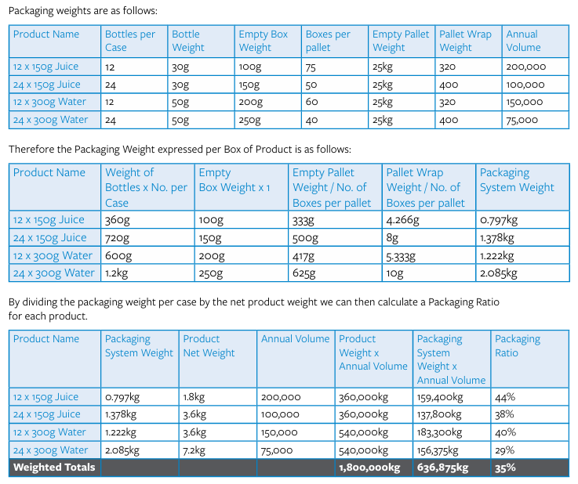
Product Code | Product Name | Department | Supplier Name | IE / Import | Packaging Level | Base Material | Specific Material | Packaging Type | Own Brand (Yes/No) | Unit Weight | Unit of Measure (g or kg) | Number of Packaging Type | Units per Case | Cases per Pallet | Total weight (empy pallet) g | Total weight (empy pallet) kg | Pallet weight (kg) | Total System weight | Annual Volume
2515 | Easi Cook Rice 5kg | Rice | Valeo Foods | Domestic | Primary | Paper/Card | Paper | Bag | Yes | 63 | g | 1 | 1 | 200 | 12,600 | 13 | 25 |  | 10,146
2515 | Easi Cook Rice 5kg | Rice | Valeo Foods | Domestic | Secondary | Paper/Card | Cardboard | Box | Yes | 171.6 | g | 1 | 1 | 200 | 34,320 | 34 | - |  | 50.73
2515 | Easi Cook Rice 5kg | Rice | Valeo Foods | Domestic | Secondary | Plastic | LDPE - Low-Density PolyEthylene | Wrap | Yes | 1.2 | g | 1 | 1 | 200 | 240 | 0 | -
2515 | Easi Cook Rice 5kg | Rice | Valeo Foods | Domestic | Tertiary | Plastic | LDPE - Low-Density PolyEthylene | Wrap | Yes | 200 | g | 1 | 1 | 200 | 40,000 | 40 | -
 |  |  |  |  |  |  |  |  |  |  |  |  |  |  | Total | 87 | 25 | 112 | 5,681.76
2515 | Easi Cook Rice 5kg | Rice | Valeo Foods | Domestic | Product |  |  |  | Yes | 5000 | g | 1 | 1 | 200 | 1,000,000 | 1,000 | - |  | 50,730
 |  |  |  |  |  |  |  |  |  |  |  |  |  |  |  |  | % Ratio |  | 11%
 |  |  |  |  |  |  |  |  |  |  |  |  |  |  |  |  | Ratio |  | 8.9

